CCP Strategy
AMC Name | SEBI Reg NO | Strategy Name | AUM In Crs | Strategy Incp. Date | Portfolio Manager Name
Marcellus Investment Managers | INP000006183 | Consistent Compounders | 7220.88 | 01-Dec-2018 | Rakshit Ranjan, CFA

Category | Benchmark | Reporting Structure |  | Fee structures | Option 1 | Fixed Fees Model | 2% p.a. fixed fees + zero performance fees
Large Cap | Nifty 50 Total Return Index | Model Portfolio |  |  | Option 2 | Variable Fees Model | Zero fixed fees + performance fees of 20% profit share above a hurdle of 8%, no catch-up
 |  |  |  |  | Option 3 | Hybrid Model | 1% p.a. fixed fees + performance fees of 15% profit share above a hurdle of 12%, no catch-up

Portfolio Metrics |  |  |  | Exit Fee | 1st Year | 2nd Year | 3rd Year | SIP Option | STP Option
Weighted Average Market Capitalisation (INR Cr.) | 300,450 |  |  |  | NO EXIT FEES | NO EXIT FEES | NO EXIT FEES | Yes | Yes
Portfolio P/E | 71
Dividend Yield | 0.6%
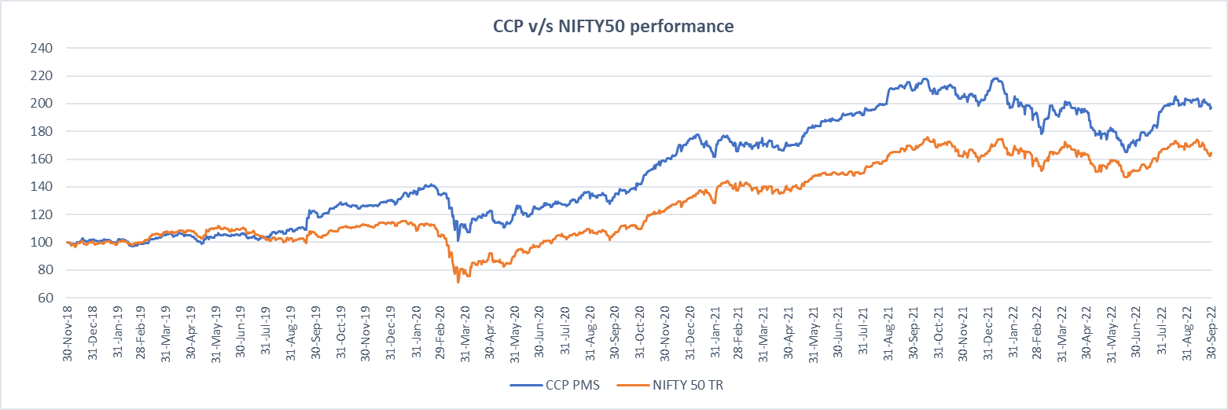
Churn Ratio | 19.0%
Standard Deviation | 18.7%
Sharpe Ratio | 0.95
Portfolio Beta | 0.60
Treynor Ratio | 0.30
R2 Ratio | 0.63
Information Ratio | 0.36
Active share as of 31 Mar-22 | 75.2%
Maximum Drawdown of Portfolio | -28.7%
Benchmark Drawdown | -38.3%

 |  |  | * Based on NAV's rebased to 100

Performance data is net of annual performance fees charged for client accounts whose account anniversary date falls upto the last date of this performance period. Since fixed fees and expenses are charged on a quarterly basis, effect of the same has been incorporated upto 30th September 2022. Performance data is not verified either by the Securities and Exchange Board of India or U.S. Securities and Exchange Commission. This circulation is not intended for US clients.

CCP Perf
Performance
Monthly Performance vs Nifty50 |  |  |  | Performance Summary |  |  | Start Date | 2018-12-01
Month | Marcellus CCP* | Nifty-50 (Total Return Index) | Date Range |  | Marcellus CCP | Nifty-50 (Total Return Index) | End Date | 2021-10-31
Dec-18 | 1.84% | -0.07% | 1st Dec'18 to 31st Dec'18 | 1-Month | -3.10% | -3.74% | Factor | 2.92
Jan-19 | -0.88% | -0.24% | 31st Dec'18 to 31st Jan'19 | 3-Month | 16.18% | 8.73%
Feb-19 | -1.75% | -0.22% | 31st Jan'19 to 28th Feb'19 | 6-Months | 1.22% | -1.18%
Mar-19 | 5.89% | 7.79% | 28th Feb'19 to 31st Mar'19 | 1-year | -5.70% | -1.64%
Apr-19 | 0.20% | 1.07% | 31st Mar'19 to 30th Apr'19 | 2-year (Annualised) | 21.84% | 24.88%
May-19 | -0.11% | 1.62% | 30th Apr'19 to 31st May'19 | 3-year (Annualised) | 17.26% | 15.59%
Jun-19 | 0.16% | -0.90% | 31st May'19 to 30th Jun'19 | Since Inception (Annualised) | 19.36% | 13.91%
Jul-19 | -1.51% | -5.44% | 30th Jun'19 to 31st Jul'19
Aug-19 | 5.84% | -0.64% | 31st Jul'19 to 31st Aug'19
Sep-19 | 11.42% | 4.09% | 31st Aug'19 to 30th Sep'19
Oct-19 | 5.44% | 3.70% | 30th Sep'19 to 31st Oct'19 | Period | Marcellus CCP | Nifty-50 (TR)
Nov-19 | -2.16% | 1.50% | 31st Oct'19 to 30th Nov'19 | FY 2019 | 5.03% | 7.22%
Dec-19 | 2.85% | 0.94% | 30th Nov'19 to 31st Dec'19 | FY 2020 | 7.62% | -24.97%
Jan-20 | 5.23% | -1.68% | 31st Dec'19 to 31st Jan'20 | FY 2021 | 50.19% | 72.54%
Feb-20 | -1.53% | -6.33% | 31st Jan'20 to 29th Feb-20 | FY 2022 | 14.72% | 20.26%
Mar-20 | -15.91% | -23.03% | 29th Feb-20 to 31st Mar-20 | FY 2023 | 1.22% | -1.18%
Apr-20 | 8.52% | 14.69% | 31st Mar-20 to 30th Apr-20 | CY 2019 | 27.40% | 13.48%
May-20 | -2.54% | -2.74% | 30th Apr-20 to 31st May-20 | CY 2020 | 33.69% | 16.09%
Jun-20 | 3.32% | 7.58% | 31st May-20 to 30th Jun-20 | CY 2021 | 20.57% | 25.59%
Jul-20 | 3.02% | 7.70% | 30th Jun-20 to 31 Jul-20 | CY 2022 | -5.80% | -0.35%
Monthly Performance
Aug-20 | 3.60% | 2.97% | 31 Jul-20 to 31 Aug-20
Sep-20 | 0.74% | -1.20% | 31 Aug-20 to 30 Sep-20
Oct-20 | 6.70% | 3.69% | 30 Sep-20 to 31 Oct-20
Nov-20 | 12.00% | 11.44% | 31 Oct-20 to 30 Nov-20
Dec-20 | 9.37% | 7.83% | 30 Nov-20 to 31 Dec-20
Jan-21 | -6.82% | -2.46% | 31 Dec-20 to 31 Jan-21
Feb-21 | 2.50% | 6.71% | 31 Jan-21 to 28 Feb-21
Mar-21 | 2.40% | 1.17% | 28 Feb-21 to 31 Mar-21
Apr-21 | -0.11% | -0.36% | 31 Mar-21 to 30 Apr-21
May-21 | 8.56% | 6.69% | 30 Apr-21 to 31 May-21
Jun-21 | 1.92% | 1.14% | 31 May-21 to 30 June-21
Jul-21 | 2.27% | 0.54% | 30 June-21 to 31 July-21
Aug-21 | 7.68% | 8.64% | 31 July-21 to 31 Aug-21
Sep-21 | 1.17% | 2.89% | 31 Aug-21 to 30 Sept-21
Oct-21 | -0.86% | 0.42% | 30 Sept-21 to 31 Oct-21
Nov-21 | -1.09% | -3.84% | 31 Oct-21 to 30 Nov-21
Dec-21 | 2.08% | 2.22% | 30 Nov-21 to 31 Dec-21
Jan-22 | -4.74% | -0.06% | 31 Dec-21 to 31 Jan-22
Feb-22 | -2.99% | -2.98% | 31 Jan-22 to 28 Feb-22
Mar-22 | 0.69% | 4.00% | 28 Feb-22 to 31 March-22
Apr-22 | -0.15% | -2.04% | 31 March-22 to 30 April-22
May-22 | -6.62% | -2.64% | 30 April-22 to 31 May-22
Jun-22 | -6.55% | -4.71% | 31 May-22 to 30 Jun-22
Jul-22 | 14.42% | 8.91% | 30 Jun-22 to 31st Jul-22
Aug-22 | 4.79% | 3.72% | 31st Jul-22 to 31st Aug-22
Sep-22 | -3.10% | -3.74% | 31st Aug-22 to 30 Sept-22
Inception | 19.36% | 13.91%

Performance data is net of annual performance fees charged for client accounts whose account anniversary date falls upto the last date of this performance period. Since fixed fees and expenses are charged on a quarterly basis, effect of the same has been incorporated upto 30th September 2022. Performance data is not verified either by the Securities and Exchange Board of India or U.S. Securities and Exchange Commission. This circulation is not intended for US clients.

